Data Extraction
The extraction the important data from the resumes, I would recommend using Natural Language Processing (NLP) techniques. Here's an approach you could take:
Use a library such as spaCy or NLTK to tokenize the text and identify the named entities in the resume, such as names, addresses, phone numbers, and email addresses.
Use regular expressions to extract any additional information, such as skills, experience, and projects worked. For example, you could search for keywords such as "experience," "project," and "skill" and extract the relevant information that follows.
Source | Full Name | Address | Phone Number | Email | Skills | Experience | Project Worked
Website 1 | Rohan Kumar | Hyderabad | 123456789 | Rohan@gmail.com | Python,Java | Software Engineer 2018-Present | Azure Scrapper
Website 2 | Rohit Kumar | Hyderabad | 123456780 | Rohit@gmail.com | React,Nodejs | Data Engineer 2020-Present | Portfolio Website
Website 3 | Raj | Kashmir | 123456781 | Raj@gmail.com | Nodejs,Css,Springboot | Full Stack Developer 2021-Present | Api
Website 1 | Alex | Delhi | 123456783 | Alex@gmail.com | Wordpress,Html,CSS | Software Engineer 2020-Present | Website Creation
Website 2 | Michael | Himachal Pradesh | 123456785 | Michael@gmail.com | Photoshop | Graphic Designer 2021-Present | Design of IPL logo
Website 3 | Scott | Andhra Pradesh | 123456786 | Scott@gmail.com | JavaScript,NodeJs | JavaScript Engineer 2018-Present | AWS
Website 1 | Smith | Kerela | 123456787 | Smith@gmail.com | HTML,CSS | Frontend Engineer 2018-Present | Html Website

Data Transformation
Once you have extracted the important data, you can then perform some transformations to clean and standardize the data. Here are some transformations you might consider:
Standardize the formatting of addresses and phone numbers, such as converting all phone numbers to a standard format or splitting the address into separate fields (street, city, state, zip code).
Normalize the skills, experience, and projects data, such as removing duplicates or synonyms, or categorizing the skills into broader categories (e.g. "programming languages," "database management").
Merge the data from the three websites into a single dataset, removing any duplicates or discrepancies.
Full Name | Phone Number | Email | Top Skills | Experience | Project Worked
Rohan Kumar | 123456789 | Rohan@gmail.com | Python | 5 | Azure Scrapper
Rohit Kumar | 123456780 | Rohit@gmail.com | React | 3 | Portfolio Website
Raj | 123456781 | Raj@gmail.com | Nodejs | 2 | Api
Alex | 123456783 | Alex@gmail.com | Wordpress | 3 | Website Creation
Michael | 123456785 | Michael@gmail.com | Photoshop | 2 | Design of IPL logo
Scott | 123456786 | Scott@gmail.com | JavaScript | 5 | AWS
Smith | 123456787 | Smith@gmail.com | Html | 5 | Html Website

ER Model
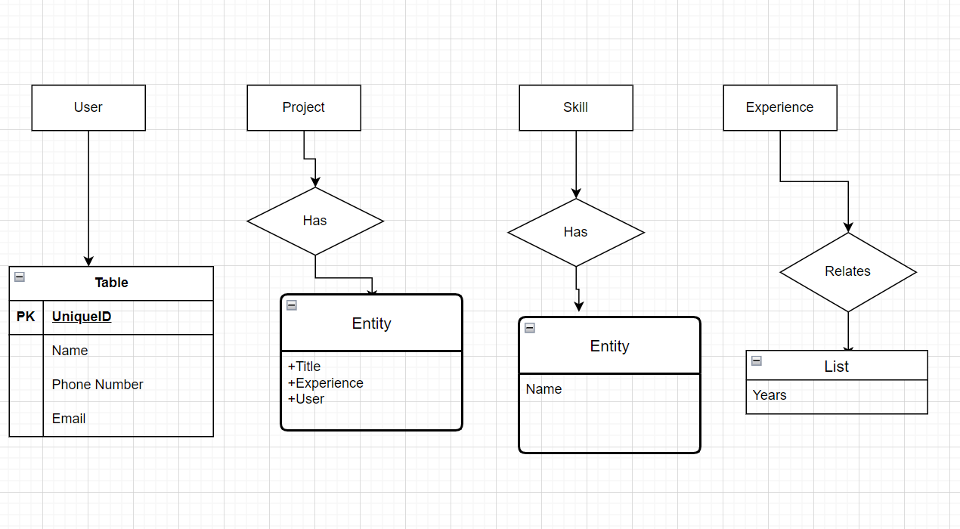
An entity-relationship model, you would need to identify the entities (objects or concepts) in the dataset and the relationships between them. Here's an example of how you could model the data:
Entities:
Candidate (with attributes such as full name, address, phone number, and email)
Skill (with attributes such as skill name and proficiency level)
Experience (with attributes such as job title, company, start and end dates, and job description)
Project (with attributes such as project name, start and end dates, and project description)
Relationships:
A Candidate has zero or more Skills
A Candidate has zero or more Experiences
A Candidate has zero or more Projects

Technologies Used
1.Natural Language Processing (NLP) Libraries: To extract the important data from the resumes, NLP libraries such as spaCy or NLTK could be used. These libraries can tokenize the text, identify the named entities, and perform other language-specific tasks.
2.Regular Expressions: Regular expressions can be used to extract additional information from the text that may not be captured by the NLP libraries. For example, regular expressions could be used to extract skills or experience information based on specific keywords or phrases.
3.Data Cleaning and Transformation Tools: Once the data has been extracted, it may need to be cleaned and transformed into a more standardized format. Tools such as OpenRefine or Pandas can be used to perform data cleaning, manipulation, and transformation tasks.
4.Entity-Relationship Modeling Tools: To create an entity-relationship model for the data, tools such as Draw.io could be used. These tools allow for the creation of visual models that can be used to represent the entities and relationships in the data.
5.Database Management Systems: Once the data has been extracted, cleaned, and transformed, it may be stored in a database for further analysis. Popular database management systems include MySQL, PostgreSQL, and MongoDB.
6.Programming Languages: Depending on the specific task and tools being used, programming languages such as Python, R, or SQL may be used to write scripts, perform data analysis, or manipulate the data in other ways.

